Quotation_order_form
Quotation / order form for PF-63 panels on Forster Fuego light

 |  |  |  |  |  |  |  |  |  | Date: |  |  | 2016-02-08

 | Quotation |  | Contact: |  |  |  |  |  |  | Quotation valid until:

 | Order |  | Telephone number:

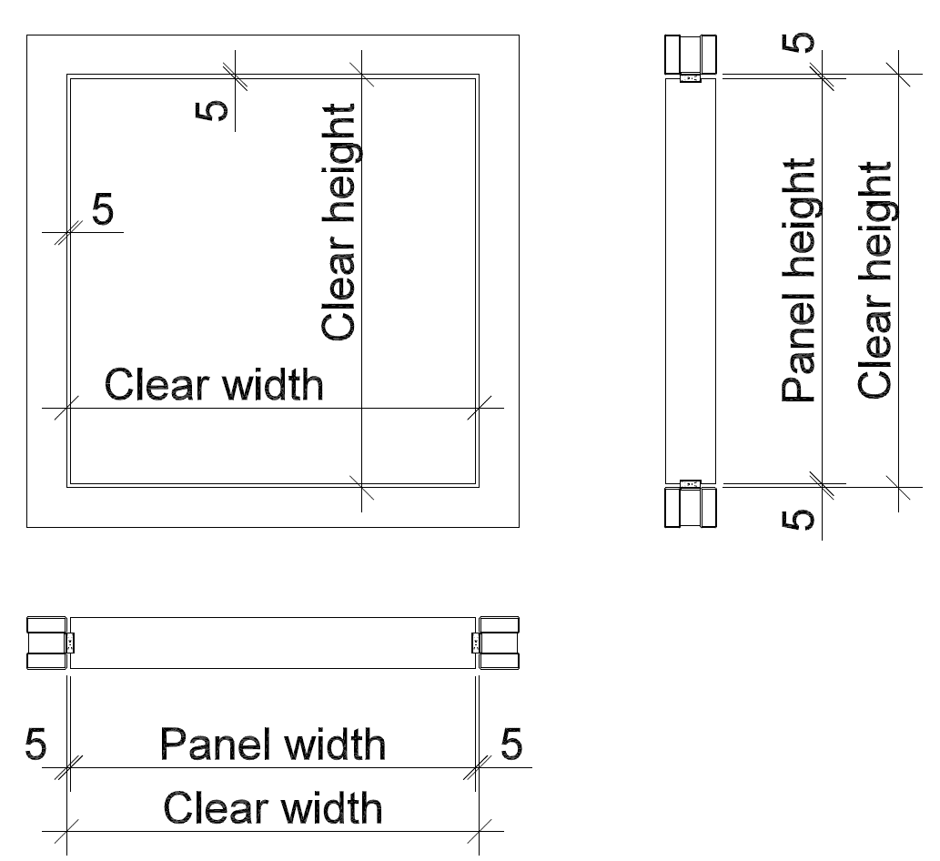 |  |  |  |  |  |  |  | Company:

 |  |  |  |  |  |  |  | Postcode/ place:

 |  |  |  |  |  |  |  | Street/No.

 |  |  |  |  |  |  |  | Item:

Clear height: |  |  |  |  |  |  | mm | Item No. |  |  | EI 30
Clear width: |  |  |  |  |  |  | mm | Quantity: |  |  |  | Yes |  | No
Surface:
 | Priming film for coating
 | Raw aluminium for coating |  |  |  |  | Anodised aluminium
 | Veneered and natural lacquered |  |  | Type of wood:
 | Veneer technique
 | Painted | RAL |  |  | NCS
HPL Max/Argolite/various coated:
 | Argolite
 | Max
 | Various
Direction of the grain HPL/veneer
 | Lengthwise (height)
 | Crosswise (width)
 | Special design according zo drawing
 | Specifics:
Installation/delivery:
Expected delivery date:
 | On construction site/adress:
 | Assistance from RWDS
 | To be picked up
Comments:

Save form locally and then send it to: |  |  | handel@rwdschlatter.ch |  |  |  |  |  | Price does not include VAT | Fr. -

